Starting Stuff
If the hydrogen gas exits the electrolyzer at 300°C, what does the heat transfer look like through a straight pipe?

Q dot conduction through a cylinder with purely axial HT, steady
 |  |  |  |  |  |  |  |  |  | Placeholder Values

 |  |  |  |  |  |  |  |  |  | * fuel cell needs 0.02 grams H2 to operate for 10 minutes
 |  |  |  |  |  |  |  |  | Necessary Mass flow rate of hydrogen gas | 3.3333333333E-05 | (g/s)
 |  |  |  |  |  |  |  |  | Hydrogen gas density STP | 0.083 | (g/L) | https://genh2hydrogen.com/defining-hydrogen-from-a-to-z-3/#:~:text=Trying%20to%20achieve%20the%20same,density%20of%2039.6%20g%2FL.

 | English | Metric
Inner Diameter (in) | 0.45 | 0.01143 | (m) |  | https://www.mcmaster.com/5175K133/
Outer Diameter (in) | 0.5 | 0.0127 | (m)
Length (in) | 24 | 0.6096 | (m)
Thermal Conductivity |  | 383 | (W/m*K) |  | Copper @ 327°C |  | https://www.engineeringtoolbox.com/thermal-conductivity-metals-d_858.html

Thermal Resistance |  | 7.1821469515E-05 | (K/W)

 |  |  |  |  |  |  |  | pg 499

 |  | Hydrogen gas @ 300°C |  | Standard Air @300°C
Mass Flow Rate |  | 3.3333333333E-08 | (kg/s)
Dynamic Viscosity |  | 1.35E-05 | (kg/m*s) | 2.99E-05 | (kg/m*s) |  |  | https://www.lmnoeng.com/Flow/GasViscosity.php
Inner Diameter |  | 0.01143 | (m)

Reynolds Number |  | 2.74E-01 |  | 1.24E-01 |  | This motherfucker is laminar

 |  |  |  |  |  | pg 502

Hydrodynamic Entry Length |  | 1.57E-04 | (m) | 7.09E-05
 |  | 1.57E-01 | (mm) | 7.09E-02
Prandtl Number |  | 0.7149 |  | 0.6935 |  | at 300°C & 1 atm |  | From textbook, appendix 1 Tables A-15 and
Thermal Entry Length |  | 1.12E-04 | (m) | 4.92E-05
 |  | 1.12E-01 | (mm) | 4.92E-02
In conclusion: that shit is fully developed IMMEDIATELY

Constant Surface Temperature
 |  |  |  |  |  | pg 505

 |  |  |  |  |  | pg 506

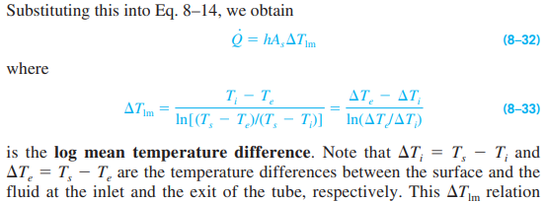
 |  |  |  |  |  |  | pg 507

 |  |  |  |  |  |  |  | Look at example 8-1 on page 507!!

pg 509: veloctiy profile & pressure drop equations for internal laminar flow!

 |  |  |  |  |  |  |  | pg 513

LETS FUCKING GO THAT'S WHAT I WANTED

Surface temperature: find internal and external convection heat transfer coefficient to see which dominates temperature
pg 465 if forced
pg 565 if natural

 |  |  |  |  |  |  |  | pg 562

 |  |  |  |  |  | pg 564

 |  |  |  |  |  |  |  |  |  | pg 565

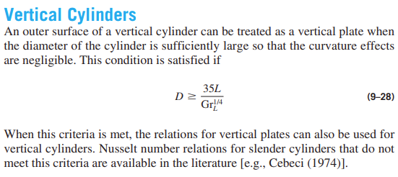

 |  |  |  |  |  |  | pg 565

Free Convection on vertical cylinder |  |  | http://mtraum.altervista.org/Day__2011__ASME_JHT__Nat_Convection_Vert_Cyl_.pdf

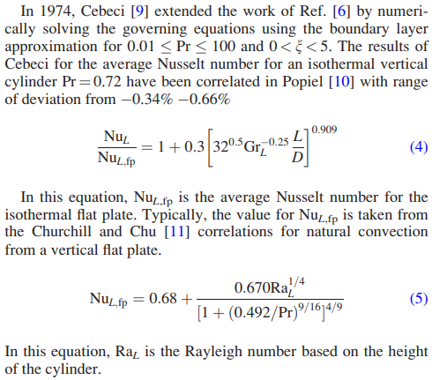

Nusselt Number:

 |  |  |  |  | Pg 185

MASS TRANSFER | Ch. 14 | Pg 858

Anyways
 |  |  |  |  |  |  | Pg 198

 |  |  | pg 195

 |  |  |  | pg 405

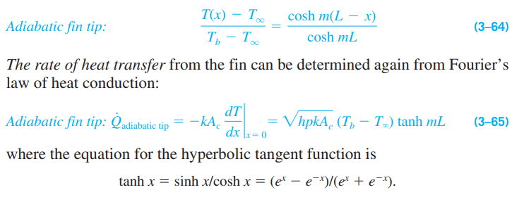
2023-01-12
Adiabatic Fin Tip
 |  |  |  |  |  |  |  | Pg 197

DRVP Math
Treat this like fluid flow
Mass Flow Rate | 3.3333333333E-08 | (kg/s)
 |  |  |  |  |  |  |  | Textbook, pg 499 |  | 476

Internal Diameter | 0.01143 | (m) |  | 0.45" in meters
Dynamic Viscosity | 1.23E-05 | (kg/m*s) |  | Textbook, pg 950 |  | Hydrogen gas at bulk mean fluid temperature of 200°C
Reynolds Number | 3.02E-01 |  |  | Hydrogen gas at bulk mean fluid temperature of 200°C

Treat this like an energy balance on the extraction process.
Wire Power | 2.683 | (W)
 |  |  |  |  |  |  | Textbook, pg 198 |  | 175

 |  |  |  |  |  |  | Textbook, pg 195 |  | 172

 |  |  |  |  |  |  | Textbook, pg 405 |  | 382

 |  |  |  |  |  |  |  |  |  |  |  | Textbook, pg 565 | 542

 |  |  |  |  |  |  |  | Textbook, pg 566 |  | 543

 |  |  |  |  |  |  |  | Textbook, pg 562 |  | 539

Gravitational Acceleration | 9.81 | (m/s^2) |  | "it is known"
Coefficient of Volume Expansion | 0.002172 | (1/K) |  | https://www.engineeringtoolbox.com/air-density-specific-weight-d_600.html |  |  |  |  |  |  |  | Air, interpolated to film temp 185°C
Kinematic Viscosity | 3.27275E-05 | (m^2/s) |  | Textbook, pg 949 |  | Air, interpolated to film temperature 185°C
Cylinder Length | 0.527 | (m) |  | Put in the value from B163 to iterate
Surface Temperature | 350 | (°C)
Surrounding Air Temperature | 20 | (°C)
Grashof Number | 960835301.27

Evaluate: D > 35L/Gr
35L/Gr | 0.10476504934 | (m)
Outer Diameter D | 0.0127 | (m)
Not the case!

Check: 0.01<Pr<100 and 0<xi<5
Prandtl Number | 0.69875 |  |  | Textbook, pg 949 |  | Air, interpolated to film temperature 185°C
Curvature Parameter | 1.3332747235 |  |  | http://mtraum.altervista.org/Day__2011__ASME_JHT__Nat_Convection_Vert_Cyl_.pdf

All good!

Rayleigh Number | 671383666.76
 |  |  |  |  |  | Textbook, pg 565

Nusselt Number, flat plate | 83.309089057
Nusselt Number, cylinder | 113.11437808

Thermal Conductivity | 0.0367925 | (W/m*K) |  | Textbook pg 949 |  | Air, interpolated to film temperature 185°C
Convective Heat Transfer Coefficient | 7.8970792326 | (W/m^2*K) |  | Textbook, pg 405

 |  |  |  | Textbook, pg 195

Perimeter | 0.039898226701 | (m) |  | D*pi
Cross-sectional Area | 2.4068605257E-05 | (m^2) |  | 0.25*pi*(Dout^2-Din^2)
Thermal Conductivity | 381.62 | (W/m*K) |  | https://www.engineeringtoolbox.com/thermal-conductivity-metals-d_858.html |  | Copper, interpolated to 350°C
m | 5.8569163154

 |  |  |  |  |  | Textbook, pg 198

Base Temperature | 350 | (°C)
Tip Temperature | 50 | (°C)
Heat Transfer Rate | 17.67921422 | (W)

Heat Rate Entering | 2.683 | (W) |  | Based on Qdot=V*I from the nichrome wire
Factor of Safety | 6.5893455906

Starting w/ spring 2023

If it's an infinitely long fin (still vertical), what's the minimum required heat transfer rate?
 |  |  |  |  |  |  | Pg 196

Heat Transfer Rate | 17.752724365 | (W)

Can we say that the heat transfer rate coming in doesn't matter? All that matters is that the inlet stays at a constant temperature

 |  |  |  |  |  |  | Pg 196

Choose x = L, choose T(x), solve for L |  |  |  |  |  |  |  |  |  |  | * check: thermal energy contained in copper pipe vs. thermal energy contained in hydrogen. Is one negligible?

x | 11
Length | 0.52740550462 | (m)

Now: what if it's a horizontal cylinder?
 |  |  |  |  |  |  |  |  |  | Pg 565

This is for isothermal cylinders. Do analysis at max and min temp

 | Max Temp 350°C | Min Temp 50°C
Outer Diameter: | 0.75 | 0.75 | (in)
Inner Diameter: | 0.68 | 0.68 | (in)
Thermal Conductivity | 20 | 20 | (W/m*K)
Surface Temperature | 300 | 50 | (°C)

Outer Diameter | 0.01905 | 0.01905 | (m)
Gravitational Constant | 9.81 | 9.81 | (m/s^2)
Bulk Temperature | 20 | 20 | (°C)
Volume Expansion Coefficient | 2.18E-03 | 3.26E-03 | (K^-1) |  | https://www.engineeringtoolbox.com/air-density-specific-weight-d_600.html | * Value at respective film temperatures, 185°C & 35°C
Kinematic Viscosity | 3.26E-05 | 1.65E-05 | (m^2/s) |  | Pg 949, interpolated
Grashof Number | 3.89E+04 | 2.43E+04 |  |  | Eq 9-15

Prandtl | 0.69884 | 0.7268 |  |  | Pg 949, interpolated
Rayleigh | 2.72E+04 | 1.76E+04 |  |  | Eq 9-17
*Rayleigh < 10^12, we can use the book's equation!

Nusselt Number | 5.57E+00 | 5.03E+00 |  |  | Eq 9-25
Thermal Conductivity | 0.036726 | 0.02625 | (W/m*K) |  | Pg 949, interpolated
Convection Coefficient | 1.07E+01 | 6.93E+00 | (W/m^2*K) |  | Eq 6-5

Inner Diameter | 0.017272 | (m)
Perimeter | 0.059847340051 | (m) |  |  | D*pi |  |  |  |  |  |  |  |  | Textbook, pg 195
Cross-sectional Area | 5.0721418658E-05 | (m^2) |  |  | 0.25*pi*(Dout^2-Din^2)
Thermal Conductivity | 381.62 | 395.54330709 | (W/m*K) |  | https://www.engineeringtoolbox.com/thermal-conductivity-metals-d_858.html

x | 9.3333333333

At the tip: $cosh\left(m\left(L−L\right)\right)=cosh\left(0\right)=1, cosh\left(mL\right)=\frac{T_{b}−T_{∞}}{T_{L}−T_{∞}}=x, mL=\cosh^{−1}\left(x\right), L=\cosh^{−1}(x)/m$
Convection Coefficient, Avg | 8.83E+00 | (W/m^2*K)
Thermal Conductivity, Avg | 20 | (W/m*K)
m | 2.28E+01
cosh^-1(x) | 2.9238570702
Length | 1.28E-01 | (m)

Qdot through Fin | 6.45E+00 | (W) |  | Eqn 3-65

Temperature Change: | 300 | (°C)
 | Pipe | Hydrogen
Cross-Sectional Area | 5.0721418658E-05 | 0.00023430153833 | (m^2)
Specific Heat | 390 | 14500 | (J/kg*K) |  | Textbook, engineering toolbox
Density | 8940 | 0.076 | (kg/m^3)
Energy | 53053.589488 | 77.460088573 | (J/m)

Pipe/Hydrogen Energy Ratio | 684.91516682

Hydrogen Flow
Mass Flow Rate | 3.3333333333E-08 | (kg/s)
Inner Cross-sectional Area | 0.00023430153833 | (m^2)
Volume Flow Rate | 4.3859649123E-07 | (m^3/s)
Velocity | 0.0018719317609 | (m/s)

Delta PDR Math
 |  |  |  |  |  |  |  | Pg 565

This is for isothermal cylinders. Do analysis at max and min temp

Outer Diameter: | 0.75 | (in)
Inner Diameter: | 0.68 | (in) |  | 0.059847340051 |  | 0.4318
Thermal Conductivity | 20 | (W/m*K) |  |  |  | 815.55555556
Surface Temperature (max) | 350 | (°C)
Surface Temperature (min) | 50 | (°C)

Outer Diameter | 0.01905 | (m)
Gravitational Constant | 9.81 | (m/s^2)
Bulk Temperature | 20 | (°C)
 |  |  |  |  |  | Max Temp 350°C | Min Temp 50°C
 | At Max Temp | At Min Temp |  |  |  |  | 0.75 | (in)
Volume Expansion Coefficient | 1.60E-03 | 3.10E-03 | (K^-1) |  |  |  | 0.68 | (in)
Kinematic Viscosity | 3.26E-05 | 1.65E-05 | (m^2/s) |  |  |  | 20 | (W/m*K)
Grashof Number | 3.37E+04 | 2.30E+04 |  |  |  |  | 50 | (°C)
Prandtl | 0.69884 | 0.7268 |  |  |  |  | 0.01905 | (m)
Rayleigh | 2.35E+04 | 1.67E+04 |  |  |  |  | 9.81 | (m/s^2)
*Rayleigh < 10^12, we can use the book's equation! |  |  |  |  |  |  | 20 | (°C)

Nusselt Number | 5.4 | 5.0
Thermal Conductivity (H2) | 0.0367 | 0.0263 | (W/m*K) | https://www.engineeringtoolbox.com/air-density-specific-weight-d_600.html | * Value at respective film temperatures, 185°C & 35°C
Convection Coefficient | 10.4 | 6.8 | (W/m^2*K) | Pg 949, interpolated
 |  |  |  | Eq 9-15
Inner Diameter | 0.0173 | (m)
Perimeter | 0.0598 | (m) |  | Pg 949, interpolated
Cross-sectional Area | 5.0721418658E-05 | (m^2) |  | Eq 9-17
x | 11
Convection Coefficient, Avg | 8.60 | (W/m^2*K)

new m for both scenarios | 24.72 | 20.08
m | 2.25E+01 |  |  | Eq 9-25
cosh^-1(x) | 3.09 |  |  | Pg 949, interpolated
Length | 0.137 | (m) |  | Eq 6-5
 | 5.4 | (in)

new Length for both scenarios | 0.125 | 0.154 | (m) | D*pi |  |  |  |  | Textbook, pg 195
 | 4.920 | 6.055 | (in) | 0.25*pi*(Dout^2-Din^2)
 |  |  |  | https://www.engineeringtoolbox.com/thermal-conductivity-metals-d_858.html

Thermal Conductivity, Avg | 20 | (W/m*K)

At the tip: $cosh\left(m\left(L−L\right)\right)=cosh\left(0\right)=1, cosh\left(mL\right)=\frac{T_{b}−T_{∞}}{T_{L}−T_{∞}}=x, mL=\cosh^{−1}\left(x\right), L=\cosh^{−1}(x)/m$

Qdot through Fin | 7.51E+00 | (W) |  | Eqn 3-65

Temperature Start | 350 | (°C)
Temperature End | 50 | (°C)
Temperature Change: | 300 | (°C)

 | Pipe | Hydrogen
Cross-Sectional Area | 5.07E-05 | 2.34E-04 | (m^2)
Specific Heat | 468 | 14500 | (J/kg*K) | Textbook, engineering toolbox | https://theengineeringmindset.com/specific-heat-capacity-of-materials/
Density | 7500 | 0.076 | (kg/m^3)
Energy | 53410 | 77 | (J/m)

Pipe/Hydrogen Energy Ratio | 690

